beam_w eq
SINGLY REINFORCED BEAM DESIGN
BEAM 1
Clear span | = | 4000 | mm

I. MATERIAL PROPERTIES
γconcrete | = | 24 | KN/m^3
f'c | = | 21 | MPa
fy | = | 276 | MPa

II. SECTION PROPERTIES
Clear cover | = | 40 | mm
Tension bar diameter | = | 20 | mm
Compression bar diameter | = | 20 | mm
Stirrup diameter | = | 10 | mm

III. LOADINGS
Dead Load
(+) Mn max | = | 17.71 | kNm
(-) Mn max | = | -26.88 | kNm
Live Load
(+) Mn max | = | 6.882 | kNm
(-) Mn max | = | -8.634 | kNm
Seismic Load
(+) Mn max | = | 0 | kNm
(-) Mn max | = | -21.81 | kNm

IV. LOAD COMBINATION
LRFD load combinations |  | +Mu | -Mu
Mu = 1.4D |  | 24.794 | -37.632 | 1.4D
Mu = 1.2D+1.6L |  | 32.2632 | -46.0704 | 1.2D+1.6L
Mu = 1.2D+1L+1E |  | 28.134 | -62.7 | 1.2D+1L+1E
Mu = 0.9D+1E |  | 15.939 | -46.002 | 0.9D+1E
Governing load combination
Mu = 1.2D+1L+1E
(+) Mu max | = | 32.2632 | kNm
(-) Mu max | = | 62.7 | kNm

V. BEAM DESIGN
β = 0.85-[0.05(f'c-28)/7] | = | 0.85
ρmin = 1.4/fy | = | 0.00507
ρmax = 0.85f'cβ(3/7)/fy | = | 0.02356
ρ = 0.6ρmax | = | 0.01414
n = d/b = 1.75 to 2.0 | = | 1.5
Rn=ρfy[1-(0.59ρfy/f'c)] | = | 3.47

DIMENSION
b = [Mu/(0.9Rn*n^2)]^1/3 | = | 207.337 | mm | say, b= | 250 | mm
d = nb | = | 375 | mm
Y=ΣNnYn/Nt | = | 0 | mm
dt = d+y | = | 375 | mm
h=dt+cover+dstirrup+0.5db | = | 435 | mm | say, h= | 440 | mm
b/h= at least 0.3 | = | 0.57 |  | b/h > 0.30 therefore, OKAY!

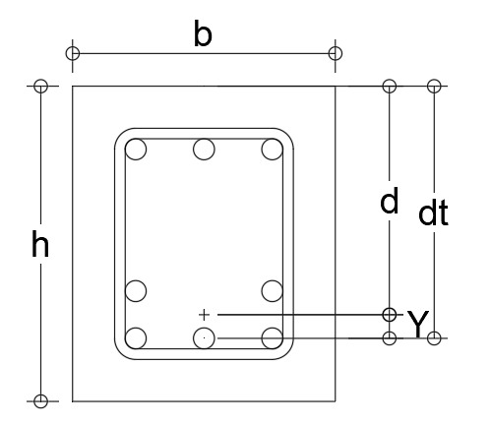
FLEXURE REINFORCEMENT AT JOINT FACE
For negative moment strength
Asreqd(srb)=ρbd | = | 1325.238 | mm^2
ndb | = | 4.218 | pcs | say, ndb= | 5 | pcs
For positive moment strength
ndb = at least 0.5 of negative | = | 2.109 | pcs | say, ndb= | 3 | pcs

FLEXURE REINFORCEMENT AT ANY SECTION
For negative moment strength
ndb = at least 0.25 of max at joint | = | 2 | pcs | say, ndb= | 2 | pcs
For positive moment strength
ndb = at least 0.25 of max at joint | = | 2 | pcs | say, ndb= | 2 | pcs
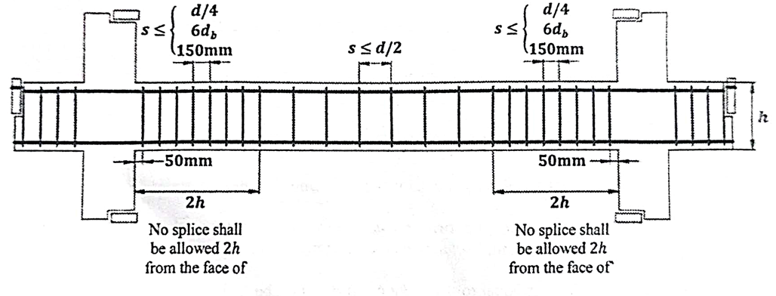
SHEAR REINFORCEMENT AT FACE OF SUPPORT
Face of support = 2h | = | 880 | mm
Spacing of stirrups
d/4 | = | 93.75 | mm
6db | = | 120 | mm
150mm | = | 150 | mm
least governs, therefore | = | 93.75 | mm | say, s= | 90 | mm OC

SHEAR REINFORCEMENT AT ANY SECTION
Spacing of stirrups
d/2 | = | 187.5 | mm | say, s= | 185 | mm OC

VI. DESIGN RESULTS
Width | = | 250 | mm
Depth | = | 440 | mm OC
Support
Top bars | = | 5 | pcs
Bottom bars | = | 3 | pcs
Stirrups |  | 90 | mm
Midspan
Top bars | = | 2 | pcs
Bottom bars | = | 2 | pcs
Stirrups | = | 185 | mm OC

TAKE OFF (DO NOT PRINT)
Volume of beam | = | 0.44 | m^3
Weight of beam | = | 10.56 | KN

EQUIVALENT UNIFORM LOAD | =
Weight of beam along clear span | = | 0.00264 | KN/m

